Introduction
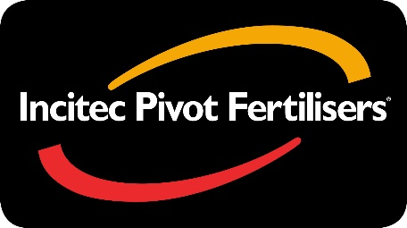

GREEN UREA NV® Ready Reckoner Calculator

This calculator has been developed to highlight potential nitrogen losses through volatilisation and the impact on nitrogen management.

Users are required to modify Steps 1 to 11 (black boxes), which will customiser the predicted nitrogen loss. Nitrogen rate, urea price, grain & cotton price and nitrogen responsiveness also needs to be selected in Steps 12 to 15 (black boxes).

Net Return on Investment for GREEN UREA NV is the difference between the cost of replacing lost nitrogen with urea at the selected price less the cost of upgrading urea to GREEN UREA NV.

Production Based Economics: Crop Nitrogen Responsiveness is the quantity of grain / lint produced per kg of nitrogen applied. Low (5 kg grain / kg N), Medium (10 kg grain / kg N), High (20 kg grain / kg N). Low (8 kg lint / kg N), Medium (13 kg lint / kg N), High (18 kg lint / kg N). It is used to calculate the grain / lint value for the lost production opportunity based on the quantity of nitrogen lost through volatilisation.

Return on Investment (ROI) from upgrading urea to GREEN UREA NV is the ratio calculated from: (Net additional value from upgrading to GREEN UREA NV) / (Additional cost of GREEN UREA NV over standard urea).

Note: This document is intended as a guide only. Various factors including but not limited to, environmental and management factors, influence production. Accordingly, neither Incitec Pivot Limited nor its Agents and Dealers accept any responsibility for any loss or damage arising from or in connection with the use of this document or the information contained in it.

Green Urea NV® is a registered trademark of Incitec Pivot Limited.
Incitec Pivot Limited ABN 42 004 080 264

